HS8480 - all mold
Standard Report - Imports
Current date: 06/29/2026 4:49 AM (Eastern Daylight Time)
Measures: Customs Value (Gen) ($US)

Time | 2002 | 2003 | 2004 | 2005 | 2006 | 2007 | 2008 | 2009 | 2010 | 2011 | 2012 | 2013 | 2014 | 2015 | 2016 | 2017 | 2018 | 2019 | 2020 | 2021 | 2022 | 2023 | 2024 | 2025 | Total
All Geographic Regions (World Total) | 1,342,752,730 | 1,390,129,131 | 1,511,057,052 | 1,602,277,546 | 1,800,789,460 | 1,553,925,120 | 1,492,106,361 | 1,116,778,877 | 1,218,902,769 | 1,408,758,926 | 1,738,518,388 | 1,942,617,262 | 2,002,858,898 | 2,163,212,545 | 2,220,803,558 | 2,598,466,394 | 2,722,263,507 | 2,467,012,262 | 2,170,496,670 | 2,480,412,964 | 2,622,759,222 | 2,553,194,579 | 2,309,103,677 | 2,289,935,157 | 46,719,133,055
North America | 707,425,452 | 718,755,475 | 730,220,012 | 831,952,103 | 825,630,153 | 653,807,107 | 624,809,874 | 464,353,204 | 498,114,141 | 497,850,320 | 609,776,023 | 820,487,761 | 798,274,843 | 908,974,545 | 919,549,489 | 1,099,650,521 | 1,136,540,284 | 1,049,975,679 | 861,485,789 | 1,083,062,011 | 1,132,767,146 | 1,233,719,935 | 915,138,492 | 912,595,530 | 20,034,915,889
Canada | 699,525,297 | 712,852,129 | 714,282,439 | 816,086,575 | 806,405,708 | 643,937,488 | 612,767,951 | 450,111,047 | 485,893,815 | 481,555,195 | 590,146,928 | 790,941,867 | 752,525,055 | 876,339,577 | 898,232,358 | 1,069,900,522 | 1,108,018,211 | 1,022,047,528 | 830,452,511 | 1,036,041,288 | 1,077,537,473 | 1,167,492,536 | 861,349,445 | 847,925,312 | 19,352,368,255
Asia | 398,571,004 | 394,493,178 | 463,292,959 | 440,675,800 | 539,620,326 | 510,493,448 | 512,420,038 | 404,118,837 | 470,923,786 | 564,918,249 | 795,720,788 | 717,568,265 | 774,615,119 | 845,313,305 | 868,227,299 | 1,001,857,678 | 1,059,765,721 | 952,080,737 | 877,699,361 | 864,395,708 | 876,857,247 | 780,715,224 | 842,638,504 | 764,680,238 | 16,721,662,819
Asia - Other | 393,700,580 | 389,242,302 | 458,674,801 | 433,520,079 | 532,089,298 | 500,019,393 | 505,178,823 | 398,862,762 | 466,639,428 | 561,805,873 | 789,125,486 | 709,091,048 | 765,033,387 | 835,546,405 | 857,607,467 | 987,196,806 | 1,035,305,674 | 924,537,690 | 859,800,118 | 837,876,402 | 846,840,590 | 749,936,368 | 814,918,642 | 731,653,747 | 16,384,203,169
Europe | 225,595,386 | 262,101,793 | 297,545,294 | 316,967,398 | 416,034,253 | 350,539,154 | 322,170,858 | 226,523,719 | 228,622,507 | 325,231,696 | 316,322,741 | 376,999,430 | 413,492,891 | 391,521,961 | 419,434,911 | 481,448,648 | 509,654,733 | 453,152,634 | 424,668,257 | 526,213,171 | 596,796,148 | 529,753,083 | 539,962,899 | 602,050,970 | 9,552,804,535
China | 29,879,600 | 40,259,173 | 54,417,397 | 79,490,233 | 114,999,265 | 154,405,673 | 173,185,128 | 145,896,185 | 199,886,739 | 253,666,552 | 348,863,166 | 374,098,446 | 390,700,572 | 470,840,955 | 459,629,525 | 569,272,229 | 599,098,208 | 529,885,739 | 402,696,976 | 451,202,096 | 440,387,246 | 411,787,643 | 363,112,963 | 352,766,466 | 7,410,428,175
Germany | 62,861,536 | 76,408,373 | 99,483,095 | 137,856,211 | 175,353,829 | 161,485,759 | 146,955,242 | 85,207,560 | 97,893,371 | 135,860,045 | 127,573,913 | 157,880,752 | 177,513,567 | 158,363,520 | 185,354,954 | 216,522,306 | 209,993,120 | 189,719,867 | 152,994,621 | 185,670,995 | 217,502,439 | 166,841,170 | 175,077,504 | 189,701,442 | 3,690,075,191
Japan | 277,520,549 | 254,392,330 | 297,111,353 | 233,693,149 | 291,596,653 | 232,114,555 | 230,744,497 | 151,237,075 | 165,575,374 | 201,600,327 | 280,956,734 | 195,329,669 | 192,441,310 | 166,110,469 | 240,304,081 | 214,522,132 | 214,841,805 | 193,310,884 | 168,458,965 | 161,389,402 | 166,901,790 | 100,912,633 | 124,666,192 | 133,035,956 | 4,888,767,884
Korea, South | 30,056,875 | 26,909,529 | 38,283,576 | 45,934,449 | 46,326,133 | 47,063,555 | 28,539,682 | 54,322,369 | 51,137,001 | 40,262,822 | 90,290,280 | 69,126,425 | 105,918,204 | 122,556,735 | 84,560,218 | 122,994,134 | 147,360,287 | 124,476,325 | 189,247,616 | 114,799,485 | 115,763,345 | 124,424,298 | 212,943,442 | 128,854,837 | 2,162,151,622
Italy | 37,147,875 | 35,833,833 | 31,857,210 | 29,954,522 | 31,787,882 | 28,522,519 | 29,694,102 | 17,726,094 | 23,298,207 | 40,526,650 | 43,492,686 | 48,155,675 | 45,168,773 | 53,950,664 | 53,889,116 | 65,559,735 | 70,862,543 | 61,009,116 | 57,934,604 | 85,426,889 | 84,896,381 | 92,092,168 | 79,343,638 | 75,361,359 | 1,223,492,241
Netherlands | 6,717,090 | 9,134,775 | 14,332,219 | 12,738,098 | 9,214,937 | 11,244,317 | 9,283,990 | 4,033,048 | 4,955,857 | 5,175,778 | 5,190,571 | 4,973,650 | 9,969,357 | 2,722,808 | 6,873,240 | 6,137,296 | 6,187,287 | 5,332,286 | 7,486,052 | 13,446,851 | 14,299,347 | 12,751,327 | 28,965,090 | 69,024,266 | 280,189,537
Mexico | 7,900,155 | 5,903,346 | 15,937,573 | 15,865,528 | 19,224,445 | 9,869,619 | 12,041,923 | 14,242,157 | 12,220,326 | 16,295,125 | 19,629,095 | 29,545,894 | 45,749,788 | 32,634,968 | 21,317,131 | 29,749,999 | 28,522,073 | 27,928,151 | 31,033,278 | 47,020,723 | 55,229,673 | 66,227,399 | 53,789,047 | 64,670,218 | 682,547,634
Malaysia
Austria | 8,264,350 | 13,544,508 | 10,871,948 | 15,158,795 | 40,575,978 | 16,053,348 | 21,041,386 | 16,601,931 | 9,027,241 | 20,867,341 | 21,144,450 | 22,931,478 | 25,401,461 | 26,649,289 | 36,080,785 | 34,849,668 | 35,396,992 | 25,370,475 | 34,059,656 | 35,063,884 | 34,943,239 | 33,231,073 | 35,921,658 | 52,767,204 | 625,818,138
Thailand | 1,272,802 | 1,706,528 | 3,197,885 | 1,344,742 | 3,700,729 | 4,972,239 | 5,724,782 | 3,143,317 | 4,041,225 | 5,459,243 | 6,764,825 | 4,676,572 | 5,353,391 | 4,071,083 | 4,655,035 | 5,063,633 | 3,845,733 | 7,164,773 | 29,536,927 | 39,293,170 | 46,514,646 | 45,059,548 | 43,451,105 | 44,930,058 | 324,943,991
Taiwan | 35,961,086 | 47,049,368 | 47,996,448 | 54,791,179 | 55,451,607 | 39,792,621 | 42,433,228 | 27,978,009 | 30,168,154 | 37,403,598 | 39,904,116 | 44,625,070 | 47,148,556 | 47,266,929 | 45,441,322 | 48,909,040 | 44,744,275 | 49,597,259 | 46,687,121 | 46,371,491 | 55,169,895 | 37,998,030 | 42,328,848 | 38,822,567 | 1,054,039,817
Portugal | 31,517,664 | 46,123,225 | 33,576,529 | 24,990,235 | 32,439,904 | 21,545,573 | 12,464,105 | 13,334,396 | 13,225,767 | 13,594,009 | 13,640,180 | 23,253,297 | 23,978,582 | 16,063,471 | 15,869,273 | 21,800,514 | 28,906,639 | 17,267,426 | 12,014,096 | 25,696,562 | 28,158,992 | 27,996,927 | 42,065,975 | 35,688,078 | 575,211,419
Asia - South | 2,077,138 | 3,401,023 | 2,304,537 | 4,510,684 | 6,526,715 | 5,850,770 | 2,957,936 | 3,682,550 | 2,202,177 | 2,313,342 | 5,442,040 | 6,692,490 | 7,289,888 | 8,562,373 | 9,803,398 | 12,541,431 | 21,202,751 | 25,767,460 | 15,758,980 | 24,672,748 | 28,311,727 | 28,643,304 | 26,304,894 | 31,414,802 | 288,235,158
India | 2,073,638 | 3,319,556 | 2,215,825 | 4,486,443 | 6,526,715 | 5,747,279 | 2,927,884 | 3,377,708 | 2,125,006 | 2,309,842 | 5,415,157 | 6,435,376 | 7,211,808 | 8,445,822 | 9,729,154 | 12,322,460 | 21,193,346 | 25,618,900 | 15,724,633 | 24,603,772 | 28,288,966 | 28,629,949 | 26,270,647 | 31,344,012 | 286,343,898
Switzerland | 4,624,338 | 6,737,228 | 11,454,236 | 9,865,331 | 17,673,120 | 8,168,584 | 8,824,371 | 11,178,068 | 10,365,424 | 9,325,712 | 11,310,861 | 12,458,168 | 14,039,223 | 14,640,929 | 11,399,573 | 21,861,178 | 26,406,533 | 24,110,110 | 21,557,133 | 30,286,834 | 51,863,612 | 32,436,553 | 28,078,705 | 28,623,680 | 427,289,504
United Kingdom | 16,748,538 | 14,159,609 | 18,377,439 | 16,674,921 | 22,953,921 | 21,940,391 | 22,757,732 | 16,454,180 | 13,493,043 | 18,943,039 | 14,688,515 | 18,180,254 | 24,230,936 | 23,606,797 | 22,368,888 | 17,640,637 | 16,100,110 | 20,713,911 | 20,152,003 | 20,040,476 | 20,085,428 | 23,740,664 | 19,479,822 | 26,276,700 | 469,807,954
France | 30,821,287 | 29,233,911 | 33,029,984 | 34,758,003 | 46,758,307 | 37,514,658 | 29,067,621 | 22,307,868 | 17,848,144 | 25,982,256 | 35,629,113 | 30,343,550 | 26,732,828 | 28,132,452 | 21,701,890 | 22,109,441 | 24,423,223 | 22,967,774 | 29,217,151 | 26,001,412 | 23,236,410 | 24,725,061 | 31,238,353 | 24,343,826 | 678,124,523
Spain | 3,336,397 | 3,733,356 | 11,097,030 | 5,055,632 | 9,266,227 | 5,307,736 | 4,927,773 | 10,799,463 | 2,826,261 | 12,431,615 | 7,610,764 | 10,725,659 | 17,128,643 | 12,101,133 | 10,955,292 | 7,553,033 | 13,209,663 | 10,224,124 | 12,049,223 | 17,548,181 | 19,990,078 | 13,457,449 | 15,519,212 | 22,832,270 | 259,686,214
Croatia |  |  | 67,549 | 59,399 | 181,246 | 108,345 | 742,254 | 593,602 | 216,494 | 921,243 | 2,438,883 | 5,156,448 | 8,061,904 | 13,845,205 | 14,691,469 | 17,892,646 | 17,687,090 | 22,197,736 | 20,382,952 | 27,691,729 | 30,499,143 | 25,962,474 | 22,619,167 | 21,410,325 | 253,427,303
Poland | 1,116,191 | 1,475,168 | 1,804,587 | 3,957,664 | 3,810,287 | 4,017,020 | 2,022,091 | 898,823 | 1,251,664 | 1,844,518 | 2,776,545 | 3,260,278 | 3,827,436 | 2,880,802 | 5,020,670 | 5,133,863 | 4,630,608 | 6,969,535 | 6,304,023 | 8,617,546 | 11,677,014 | 14,933,160 | 12,181,311 | 12,536,144 | 122,946,948
Malaysia | 1,902,057 | 2,077,837 | 2,141,894 | 1,990,860 | 2,746,866 | 2,855,524 | 4,065,699 | 2,123,453 | 2,613,012 | 2,078,405 | 3,134,390 | 2,479,987 | 3,640,702 | 3,119,339 | 2,886,323 | 3,533,798 | 2,501,611 | 4,182,633 | 3,729,844 | 4,920,458 | 6,805,013 | 6,982,079 | 9,022,971 | 10,642,976 | 92,177,731
Czech Republic | 3,168,773 | 5,519,981 | 3,109,045 | 2,749,785 | 1,271,023 | 2,099,148 | 1,768,426 | 793,871 | 1,200,774 | 1,992,121 | 2,130,041 | 5,388,417 | 4,398,455 | 7,467,790 | 5,042,725 | 6,753,588 | 11,589,381 | 6,120,899 | 6,707,653 | 8,945,585 | 8,546,924 | 7,832,115 | 7,241,926 | 9,534,538 | 121,372,984
South/Central America | 4,893,766 | 6,882,053 | 10,025,912 | 8,613,264 | 13,944,760 | 19,175,170 | 18,980,886 | 17,354,778 | 17,196,211 | 17,923,903 | 13,671,564 | 22,520,677 | 13,350,025 | 14,928,780 | 12,080,325 | 11,657,991 | 12,084,244 | 9,714,458 | 6,113,853 | 5,458,027 | 13,243,429 | 7,716,240 | 8,074,089 | 8,215,359 | 293,819,764
Singapore | 7,373,473 | 6,012,283 | 6,409,516 | 6,316,301 | 8,353,503 | 8,278,676 | 8,894,656 | 5,214,190 | 3,935,093 | 7,022,025 | 8,304,145 | 5,929,432 | 6,773,505 | 9,679,541 | 9,486,775 | 9,204,075 | 6,938,719 | 8,007,060 | 9,003,908 | 9,086,250 | 6,062,330 | 10,487,425 | 8,178,460 | 8,085,336 | 183,036,677
Vietnam | 15,723 | 9,250 | 3,290 | 37,630 | 16,500 | 101,032 | 435,611 | 331,653 | 197,786 | 247,603 | 478,564 | 710,697 | 692,172 | 1,205,463 | 1,455,265 | 1,176,309 | 1,815,638 | 2,429,126 | 3,554,000 | 3,702,875 | 3,818,105 | 5,077,914 | 5,652,647 | 7,459,776 | 40,624,629
South America | 4,662,129 | 6,350,776 | 9,637,424 | 7,892,258 | 12,999,394 | 17,510,639 | 18,087,200 | 16,865,749 | 16,534,985 | 17,005,729 | 12,840,593 | 21,495,517 | 11,453,791 | 14,132,223 | 11,502,100 | 10,942,553 | 11,673,168 | 8,949,759 | 5,177,660 | 4,750,927 | 11,067,400 | 5,841,380 | 6,039,184 | 6,858,093 | 270,270,631
Indonesia | 231,616 | 335,306 | 125,524 | 72,666 | 155,709 | 128,432 | 1,279,069 | 1,253,992 | 1,203,388 | 2,385,254 | 3,003,887 | 3,481,304 | 5,330,951 | 2,478,290 | 3,099,509 | 2,345,645 | 2,958,893 | 1,703,930 | 5,157,084 | 4,775,272 | 3,402,181 | 5,751,484 | 4,636,828 | 6,491,440 | 61,787,654
Denmark | 3,982,296 | 2,551,247 | 6,236,269 | 3,832,919 | 5,619,863 | 10,758,422 | 13,218,762 | 13,982,891 | 20,727,729 | 19,613,940 | 12,025,047 | 9,753,730 | 10,774,465 | 13,080,435 | 11,783,265 | 14,773,712 | 19,209,488 | 9,898,944 | 8,168,199 | 10,422,160 | 9,815,936 | 6,929,410 | 4,320,563 | 5,946,641 | 247,426,333
Turkey | 674,843 | 1,949,199 | 1,925,241 | 1,081,376 | 2,502,873 | 2,669,713 | 3,380,453 | 3,037,302 | 846,977 | 1,478,258 | 1,842,679 | 3,994,103 | 2,397,223 | 2,742,890 | 3,763,592 | 3,688,374 | 2,685,151 | 4,101,759 | 4,751,656 | 3,969,540 | 12,163,943 | 12,480,932 | 14,209,168 | 5,516,184 | 97,853,429
Belgium | 4,957,810 | 3,836,402 | 4,138,413 | 4,434,227 | 4,724,041 | 7,509,012 | 4,888,777 | 3,536,637 | 2,799,433 | 5,661,342 | 6,902,849 | 5,343,952 | 4,181,712 | 1,936,619 | 2,552,096 | 2,852,375 | 5,337,435 | 5,996,472 | 5,233,310 | 3,168,029 | 4,371,355 | 9,467,545 | 5,814,067 | 3,695,991 | 113,339,901
Colombia | 468,909 | 258,136 | 526,262 | 1,333,931 | 5,093,306 | 9,596,370 | 7,486,593 | 13,611,683 | 9,639,312 | 12,265,362 | 10,306,929 | 9,178,290 | 7,551,657 | 8,081,525 | 6,205,158 | 7,577,996 | 7,014,556 | 7,504,113 | 3,679,466 | 2,434,327 | 5,756,880 | 415,468 | 1,084,359 | 3,327,620 | 140,398,208
Luxembourg | 2,091,111 | 3,371,845 | 2,429,995 | 674,730 | 3,478,703 | 1,255,081 | 2,175,877 | 1,225,064 | 1,097,246 | 1,026,139 | 1,019,962 | 236,993 | 19,792 | 1,194,027 | 833,554 | 2,823,182 | 1,480,355 | 1,519,475 | 4,345,881 | 3,264,456 | 1,649,359 | 1,637,766 | 2,091,999 | 3,147,486 | 44,090,078
Brazil | 3,475,561 | 5,240,846 | 7,630,961 | 5,141,336 | 7,268,271 | 6,945,730 | 6,422,069 | 2,545,431 | 6,226,596 | 3,481,948 | 1,862,912 | 11,751,458 | 1,849,977 | 4,299,337 | 4,421,021 | 2,903,078 | 3,781,420 | 1,195,216 | 1,142,447 | 1,825,623 | 5,178,810 | 5,337,078 | 4,328,752 | 2,950,597 | 107,206,475
Slovenia | 10,123 |  | 10,343 | 61,121 | 56,722 | 19,641 | 217,522 | 27,337 | 11,144 | 341,369 | 282,959 | 13,366 | 694,502 | 117,111 | 694,805 | 427,707 | 639,967 | 926,711 | 751,331 | 1,057,555 | 2,081,644 | 2,448,530 | 748,908 | 2,819,925 | 14,460,343
Romania | 112,978 |  |  | 132,900 | 119,420 | 370,954 | 73,278 | 156,501 | 228,700 | 282,903 | 443,635 | 255,950 | 315,897 | 184,573 | 359,297 | 1,842,277 | 1,450,446 | 3,221,251 | 3,199,385 | 4,641,855 | 5,396,072 | 3,363,103 | 3,591,388 | 2,604,252 | 32,347,015
Sweden | 1,420,277 | 2,499,748 | 5,246,220 | 3,144,551 | 1,405,143 | 1,494,559 | 1,300,063 | 477,716 | 907,514 | 639,357 | 282,820 | 2,036,628 | 554,697 | 553,332 | 571,885 | 180,057 | 1,030,769 | 262,706 | 126,811 | 345,543 | 484,978 | 1,694,841 | 2,501,817 | 2,246,617 | 31,408,649
Hungary | 1,318,886 | 855,372 | 2,189,754 | 2,673,285 | 2,538,045 | 5,555,938 | 3,446,139 | 1,609,284 | 3,303,084 | 5,160,421 | 3,742,961 | 8,884,544 | 10,815,048 | 8,346,885 | 5,390,516 | 6,358,245 | 7,569,735 | 8,035,662 | 11,670,667 | 7,204,761 | 9,443,827 | 4,248,134 | 3,202,951 | 1,654,936 | 125,219,080
Australia and Oceania | 5,801,374 | 7,262,752 | 8,719,218 | 3,512,580 | 4,910,083 | 19,072,582 | 13,554,775 | 3,976,797 | 3,718,553 | 2,123,414 | 2,393,904 | 4,722,385 | 2,944,924 | 2,303,409 | 1,381,342 | 3,325,556 | 3,489,867 | 1,654,375 | 253,477 | 551,356 | 2,560,251 | 921,128 | 1,745,029 | 1,653,943 | 102,553,074
Asia Near East | 2,793,286 | 2,047,164 | 2,357,121 | 2,645,037 | 1,004,313 | 4,623,285 | 4,283,279 | 1,573,525 | 2,082,181 | 799,034 | 1,153,262 | 1,784,727 | 2,291,844 | 1,204,527 | 816,434 | 2,119,441 | 3,257,296 | 1,775,587 | 2,140,263 | 1,846,558 | 1,704,930 | 2,135,552 | 1,414,968 | 1,611,689 | 49,465,303
Australia | 5,730,670 | 7,117,070 | 8,546,693 | 3,351,184 | 4,525,390 | 18,892,570 | 13,162,110 | 3,544,928 | 3,570,039 | 1,264,201 | 1,732,129 | 3,622,966 | 2,864,798 | 2,103,867 | 1,270,554 | 2,864,192 | 3,013,417 | 1,551,852 | 166,970 | 259,277 | 2,478,476 | 775,409 | 1,623,669 | 1,432,325 | 95,464,756
Central America and Caribbean | 231,637 | 531,277 | 388,488 | 721,006 | 945,366 | 1,664,531 | 893,686 | 489,029 | 661,226 | 918,174 | 830,971 | 1,025,160 | 1,896,234 | 796,557 | 578,225 | 715,438 | 411,076 | 764,699 | 936,193 | 707,100 | 2,176,029 | 1,874,860 | 2,034,905 | 1,357,266 | 23,549,133
Finland | 1,564,621 | 1,468,261 | 2,562,968 | 3,629,880 | 1,114,259 | 588,474 | 395,304 | 133,594 | 79,294 | 1,240,998 | 224,420 | 684,330 | 247,658 | 403,020 | 112,374 | 1,193,435 | 589,659 | 1,530,671 | 1,196,761 | 4,122,649 | 1,268,511 | 5,859,977 | 2,367,547 | 1,332,090 | 33,910,755
Israel | 2,780,961 | 1,841,989 | 2,300,885 | 2,546,514 | 968,669 | 4,161,894 | 3,963,142 | 1,271,845 | 889,740 | 724,867 | 966,432 | 1,597,004 | 774,324 | 941,902 | 521,993 | 2,059,153 | 2,551,760 | 1,046,655 | 635,326 | 1,553,412 | 1,147,034 | 1,667,019 | 1,099,124 | 1,213,395 | 39,225,039
Ireland | 911,017 | 944,461 | 491,944 | 1,088,036 | 992,160 | 363,902 | 274,040 | 685,435 | 160,651 | 637,105 | 338,340 | 963,215 | 639,802 | 267,987 | 575,637 | 525,592 | 952,264 | 1,110,278 | 2,463,891 | 1,028,399 | 1,984,410 | 3,194,212 | 816,980 | 1,039,012 | 22,448,770
Norway | 57,463 | 598,518 | 526,965 | 106,300 | 110,054 | 207,819 | 861,157 | 93,675 | 281,212 | 6,161 | 81,695 | 136,354 | 286,569 | 250,720 | 553,987 | 6,749 | 86,857 | 614,167 | 160,498 | 175,240 | 45,318 | 288,271 | 1,014,434 | 1,013,884 | 7,564,067
Bulgaria | 978,922 | 345,451 | 628,195 | 511,589 | 273,853 | 144,225 | 244,386 | 105,594 | 295,222 | 93,083 | 125,627 | 297,280 |  | 69,753 | 331,839 | 466,359 | 302,532 | 1,479,449 | 284,974 | 551,658 | 713,088 | 454,484 | 594,355 | 794,735 | 10,086,653
Dominican Republic | 99,708 | 11,904 | 68,445 | 102,865 | 156,496 | 299,044 | 9,043 | 12,000 | 209,487 | 441,253 | 67,949 | 37,949 | 1,562,820 | 38,835 | 39,900 | 293,175 | 117,560 | 640,361 | 428,800 | 47,913 | 455,508 | 745,021 | 984,112 | 781,699 | 7,651,847
Africa | 465,748 | 633,880 | 1,253,657 | 556,401 | 649,885 | 837,659 | 169,930 | 451,542 | 327,571 | 711,344 | 633,368 | 318,744 | 181,096 | 170,545 | 130,192 | 526,000 | 728,658 | 434,379 | 275,933 | 732,691 | 535,001 | 368,969 | 1,544,664 | 739,117 | 13,376,974
Ukraine | 6,636 | 3,501 | 157,650 | 182,100 |  | 246,610 | 4,500 | 268,005 | 366,621 | 324,785 | 482,100 | 158,650 | 512,166 | 645,383 | 480,861 | 480,885 | 238,871 | 509,110 | 156,489 | 28,863 | 210,721 | 565,435 | 95,088 | 681,753 | 6,806,783
Estonia | 236,861 | 131,810 | 145,443 | 392,281 | 184,100 | 214,540 |  | 59,700 | 168,005 | 83,530 | 213,400 | 286,980 | 225,500 | 94,700 | 161,000 |  | 247,000 |  |  | 602,000 | 5,315 | 305,000 |  | 641,015 | 4,398,180
South Africa | 420,398 | 611,546 | 1,242,035 | 549,794 | 493,794 | 751,659 | 83,098 | 135,870 | 264,233 | 670,106 | 398,143 | 83,466 | 160,954 | 164,905 | 130,192 | 191,962 | 720,961 | 238,369 | 263,713 | 702,320 | 279,218 | 362,969 | 394,527 | 635,589 | 9,949,821
Costa Rica | 92,729 | 444,548 | 194,629 | 496,720 | 629,933 | 1,198,826 | 802,753 | 363,903 | 206,847 | 450,921 | 549,281 | 608,180 | 220,247 | 247,889 | 312,034 | 328,431 | 227,550 | 117,538 | 477,998 | 567,185 | 1,508,130 | 1,115,473 | 946,046 | 575,567 | 12,683,358
Hong Kong | 9,469,469 | 10,260,017 | 8,818,723 | 9,760,186 | 8,628,217 | 10,159,470 | 9,604,807 | 7,266,423 | 7,843,473 | 11,637,165 | 7,420,879 | 8,459,631 | 6,994,464 | 8,171,001 | 6,061,479 | 10,013,972 | 11,007,140 | 3,761,721 | 1,654,158 | 2,264,023 | 2,003,527 | 1,414,540 | 828,867 | 531,482 | 164,034,834
Slovakia | 355,966 | 646,352 | 903,326 | 624,916 | 832,816 | 598,762 | 965,087 | 394,400 | 1,079,402 | 194,080 | 247,244 | 136,333 | 576,483 | 821,567 | 656,744 | 424,110 | 1,047,773 | 1,051,222 | 382,370 | 560,928 | 623,261 | 92,382 | 599,450 | 502,119 | 14,317,093
Argentina | 9,354 | 202,826 | 62,663 | 233,689 | 30,037 | 122,425 | 99,993 | 233,466 | 261,417 | 5,765 | 36,292 | 25,728 | 68,305 | 19,682 | 61,752 | 15,622 | 340,075 | 23,224 | 115,392 | 31,224 | 5,299 | 2,900 | 13,180 | 475,752 | 2,496,062
United Arab Emirates |  | 4,984 | 5,392 |  | 6,500 | 461,391 | 320,137 | 301,680 | 216,396 | 3,925 | 143,479 | 104,203 | 1,260,520 | 169,785 | 281,716 | 53,888 | 705,536 | 726,243 | 1,316,706 | 279,379 | 550,586 | 468,533 | 281,753 | 392,694 | 8,055,426
New Zealand | 70,704 | 93,982 | 172,525 | 161,396 | 384,693 | 175,908 | 149,277 | 431,869 | 94,641 | 814,218 | 661,775 | 1,068,627 | 80,126 | 199,542 | 110,788 | 456,422 | 403,608 | 48,563 | 86,507 | 268,592 | 48,231 | 145,719 | 111,660 | 221,618 | 6,460,991
Russia | 307,803 | 504,366 | 376,770 | 258,364 | 400,835 | 210,428 | 852,185 | 607,272 | 221,605 | 13,765 | 72,925 | 94,528 | 21,345 | 147,269 | 335,299 | 139,589 | 265,610 | 401,964 | 302,222 | 4,593 |  |  | 10,430 | 54,684 | 5,603,851
Chile | 191,398 | 264,201 | 146,791 | 210,102 | 248,052 | 606,534 | 2,672,576 | 377,259 | 355,659 | 1,219,506 | 615,135 | 535,841 | 1,931,352 | 1,512,237 | 744,594 | 157,463 | 87,140 | 165,608 | 226,307 | 12,000 | 48,608 | 38,420 | 60,500 | 54,579 | 12,481,862
Sri Lanka |  | 74,300 | 4,236 | 24,241 |  | 94,991 | 30,052 | 292,842 | 70,971 |  | 19,183 | 223,849 | 45,615 | 104,251 | 12,532 | 190,681 | 4,800 | 122,592 |  |  |  | 3,676 | 20,836 | 51,350 | 1,390,998
Philippines | 17,330 | 21,070 | 125,695 | 88,684 | 114,116 | 52,016 | 246,959 | 96,096 | 10,283 | 39,879 | 4,500 | 173,815 | 39,560 | 44,200 | 27,935 | 105,619 | 193,365 | 18,240 | 73,519 | 71,880 | 12,512 | 32,836 | 41,619 | 32,853 | 1,684,581
Peru |  | 24,792 | 32,320 |  | 11,461 | 57,826 | 294,678 |  |  |  |  |  |  | 122,372 | 69,575 | 45,700 | 66,699 | 30,500 |  | 66,390 | 11,453 |  |  | 32,120 | 865,886
Greece | 11,550 | 90,237 |  | 14,900 | 55,839 |  | 62,838 |  | 105,450 |  | 6,815 | 20,000 |  | 3,850 | 12,560 | 63,927 | 244,847 | 67,113 | 25,216 | 21,457 | 7,961 | 10,409 | 8,053 | 22,080 | 855,102
Pakistan | 3,500 | 2,800 | 84,476 |  |  | 8,500 |  | 12,000 | 6,200 | 3,500 | 7,700 | 2,583 | 32,465 | 12,300 | 58,800 | 28,290 |  | 25,968 | 34,347 | 57,742 | 22,761 | 5,929 | 13,411 | 19,440 | 442,712
Ecuador |  | 6,594 | 74,955 | 111,110 | 24,340 | 6,000 |  | 2,360 |  | 11,410 | 12,825 |  | 52,500 | 80,700 |  | 142,492 | 376,878 | 31,098 | 14,048 | 15,663 | 66,350 | 40,341 | 2,060 | 17,425 | 1,089,149
Malta |  |  |  |  |  |  | 6,285 |  |  |  |  |  | 2,727 |  |  |  |  |  | 5,567 |  | 5,450 |  |  | 13,309 | 33,338
Moldova | 26,884 | 44,800 | 47,225 | 26,380 | 8,000 | 16,400 | 52,912 | 15,000 | 20,800 | 38,012 | 20,480 | 31,250 | 37,283 | 35,700 | 16,750 | 19,856 | 45,810 | 42,100 | 83,084 | 307,835 | 190,990 | 67,020 | 33,335 | 8,750 | 1,236,656
Belarus | 82,800 | 252,658 | 297,135 | 125,000 | 191,410 | 274,980 | 202,200 | 148,496 | 220,066 | 473,865 | 127,500 | 672,426 | 565,961 |  | 651,604 | 979,150 | 734,480 | 215,751 | 139,925 | 15,560 | 321,540 |  |  |  | 6,692,507
Latvia | 158,500 | 27,170 | 146,510 |  | 129,126 |  |  |  |  | 316,438 | 173,721 | 247,697 | 118,766 | 170,916 | 315,131 | 304,623 |  | 4,256 |  | 10,899 | 7,073 |  | 11,162 |  | 2,141,988
Bahrain |  |  |  | 28,000 |  |  |  |  | 963,463 | 36,642 |  | 75,770 |  | 56,247 | 6,675 |  |  |  |  |  |  |  | 26,596 |  | 1,193,393
Iceland |  | 16,683 | 15,032 | 37,947 |  | 29,324 |  | 30,912 | 95,871 | 124,886 | 22,221 | 25,495 |  | 25,784 |  |  | 31,789 |  |  |  | 75,000 |  | 24,000 |  | 554,944
Macedonia |  |  |  |  |  |  |  |  |  |  |  |  |  |  |  |  |  | 5,000 |  |  |  |  |  |  | 5,000

Analysis
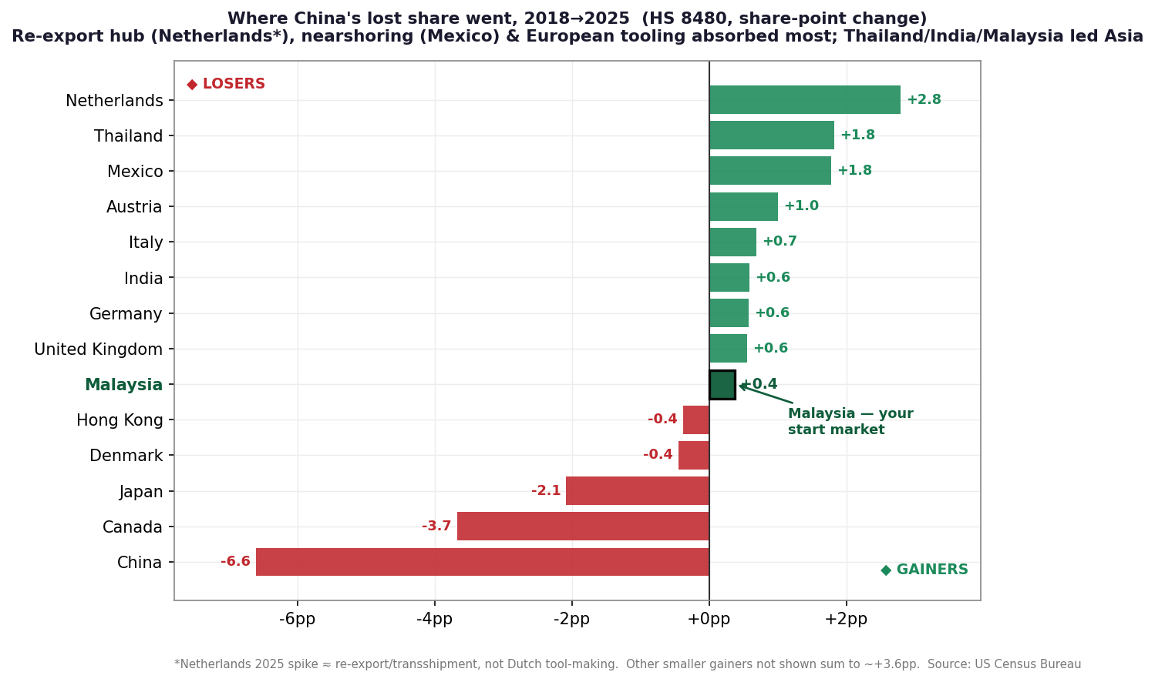
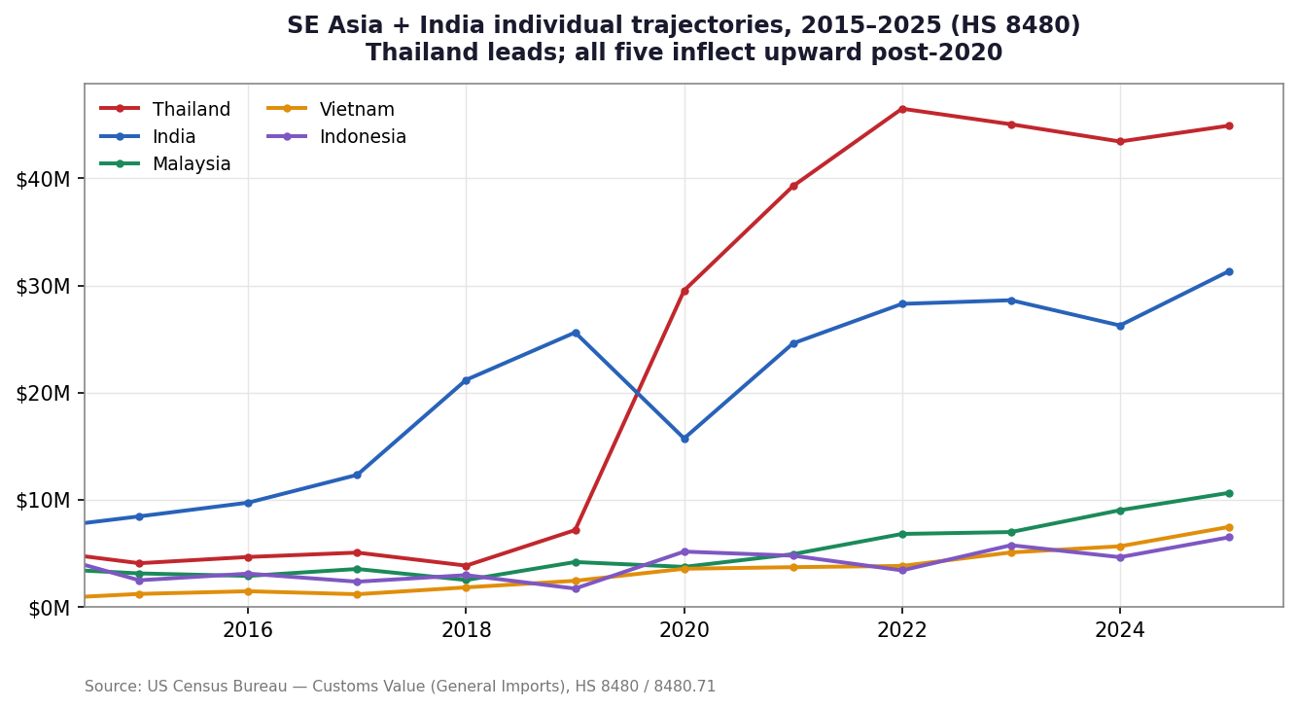

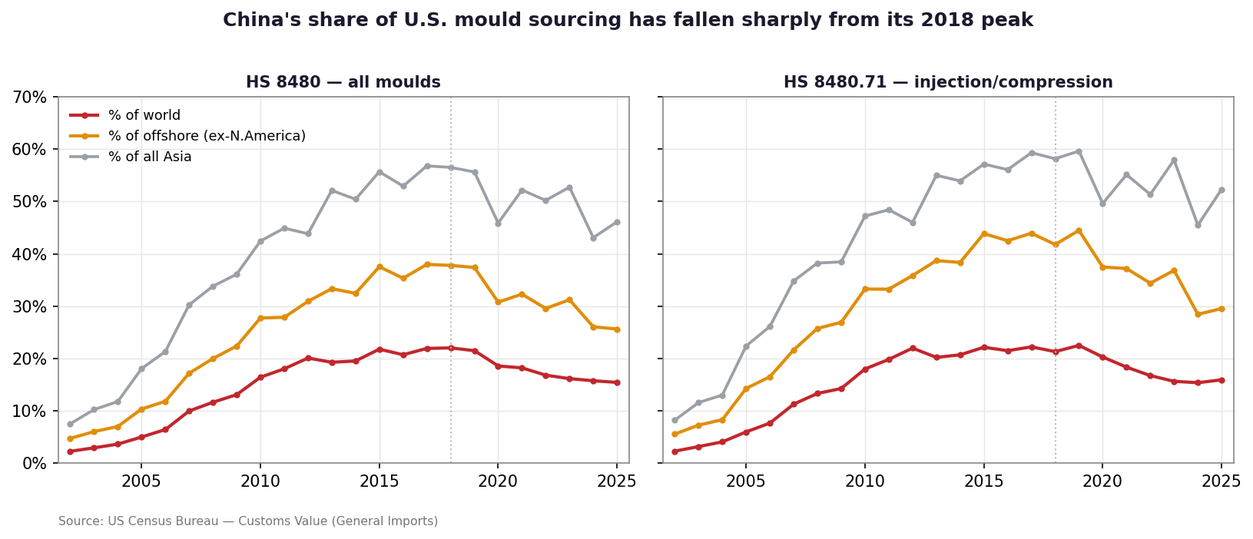
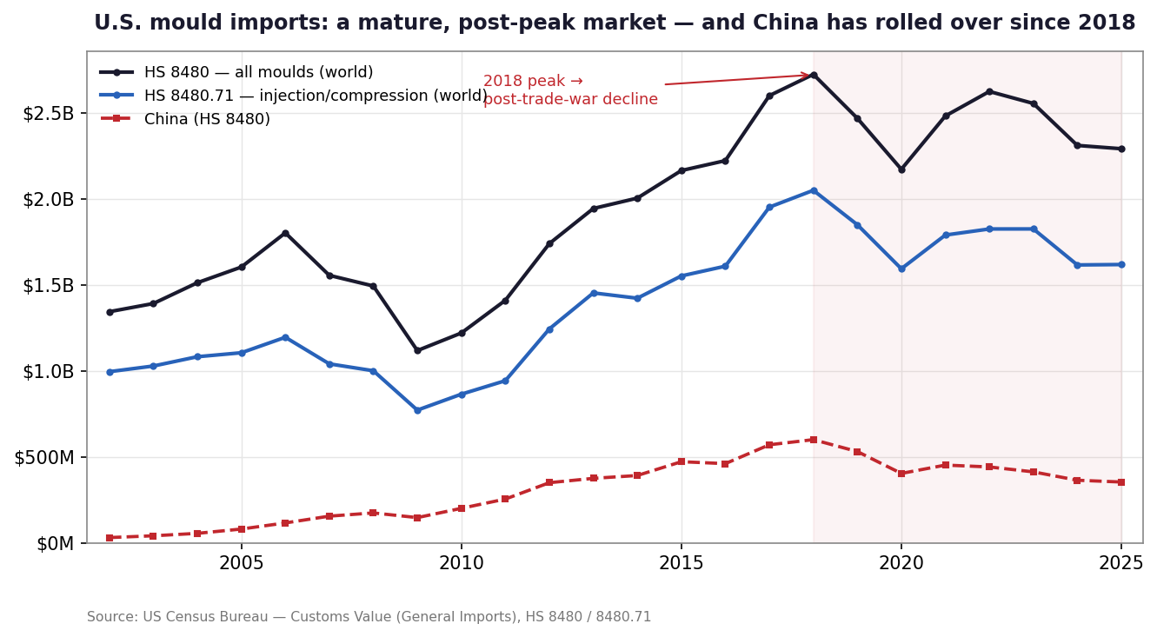

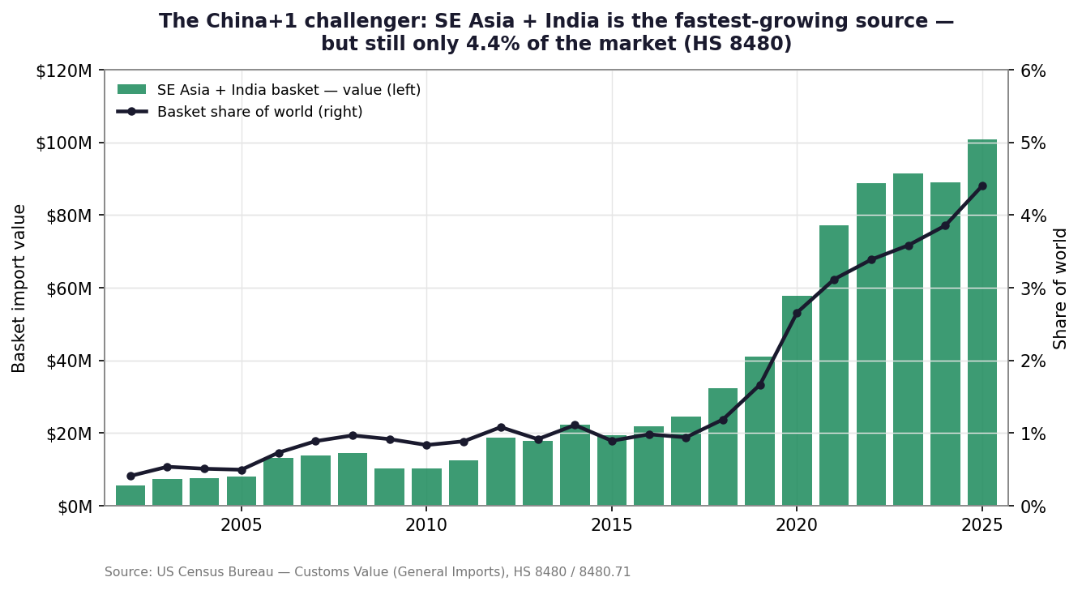

China+1_Analysis
China+1 Shift — China vs. SE Asia + India
HS 8480 (all moulds). Values = US Census customs value. Shares & CAGRs are live formulas.

Year | 2002 | 2003 | 2004 | 2005 | 2006 | 2007 | 2008 | 2009 | 2010 | 2011 | 2012 | 2013 | 2014 | 2015 | 2016 | 2017 | 2018 | 2019 | 2020 | 2021 | 2022 | 2023 | 2024 | 2025
World total | $1,342,752,730 | $1,390,129,131 | $1,511,057,052 | $1,602,277,546 | $1,800,789,460 | $1,553,925,120 | $1,492,106,361 | $1,116,778,877 | $1,218,902,769 | $1,408,758,926 | $1,738,518,388 | $1,942,617,262 | $2,002,858,898 | $2,163,212,545 | $2,220,803,558 | $2,598,466,394 | $2,722,263,507 | $2,467,012,262 | $2,170,496,670 | $2,480,412,964 | $2,622,759,222 | $2,553,194,579 | $2,309,103,677 | $2,289,935,157
China | $29,879,600 | $40,259,173 | $54,417,397 | $79,490,233 | $114,999,265 | $154,405,673 | $173,185,128 | $145,896,185 | $199,886,739 | $253,666,552 | $348,863,166 | $374,098,446 | $390,700,572 | $470,840,955 | $459,629,525 | $569,272,229 | $599,098,208 | $529,885,739 | $402,696,976 | $451,202,096 | $440,387,246 | $411,787,643 | $363,112,963 | $352,766,466
China % of world | 2.2% | 2.9% | 3.6% | 5.0% | 6.4% | 9.9% | 11.6% | 13.1% | 16.4% | 18.0% | 20.1% | 19.3% | 19.5% | 21.8% | 20.7% | 21.9% | 22.0% | 21.5% | 18.6% | 18.2% | 16.8% | 16.1% | 15.7% | 15.4%
China % of offshore (ex-N.Am) | 4.7% | 6.0% | 7.0% | 10.3% | 11.8% | 17.2% | 20.0% | 22.4% | 27.7% | 27.8% | 30.9% | 33.3% | 32.4% | 37.5% | 35.3% | 38.0% | 37.8% | 37.4% | 30.8% | 32.3% | 29.6% | 31.2% | 26.0% | 25.6%
SE Asia+India basket | $5,495,836 | $7,448,477 | $7,684,418 | $7,932,341 | $13,146,519 | $13,804,506 | $14,433,045 | $10,230,123 | $10,180,417 | $12,480,347 | $18,796,823 | $17,783,936 | $22,229,024 | $19,319,997 | $21,825,286 | $24,441,845 | $32,315,221 | $41,099,362 | $57,702,488 | $77,295,547 | $88,828,911 | $91,500,974 | $89,034,198 | $100,868,262
Basket % of world | 0.4% | 0.5% | 0.5% | 0.5% | 0.7% | 0.9% | 1.0% | 0.9% | 0.8% | 0.9% | 1.1% | 0.9% | 1.1% | 0.9% | 1.0% | 0.9% | 1.2% | 1.7% | 2.7% | 3.1% | 3.4% | 3.6% | 3.9% | 4.4%

Per-country detail: 2018 (China peak) → 2025
Country | 2018 value | 2018 % world | 2025 value | 2025 % world | CAGR 18–25 | Share Δ (pp)
China | $599,098,208 | 22.0% | $352,766,466 | 15.4% | (7.3%) | -6.6
India | $21,193,346 | 0.8% | $31,344,012 | 1.4% | 5.7% | +0.6
Thailand | $3,845,733 | 0.1% | $44,930,058 | 2.0% | 42.1% | +1.8
Malaysia | $2,501,611 | 0.1% | $10,642,976 | 0.5% | 23.0% | +0.4
Vietnam | $1,815,638 | 0.1% | $7,459,776 | 0.3% | 22.4% | +0.3
Indonesia | $2,958,893 | 0.1% | $6,491,440 | 0.3% | 11.9% | +0.2

China share of U.S. mould sourcing (HS 8480)

SE Asia + India basket import value (HS 8480)

